Sheet1
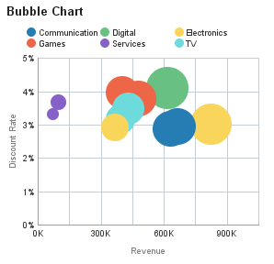 | 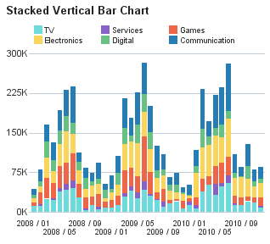 |  |  |  |  |  |  |  |  |  | 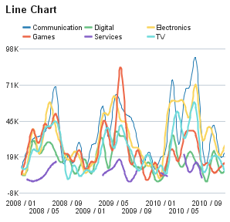

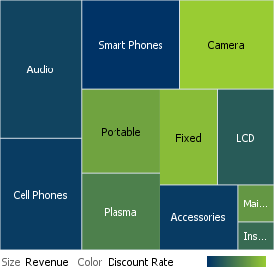 | 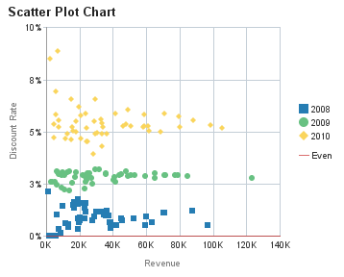 |  |  |  |  |  |  |  |  |  | 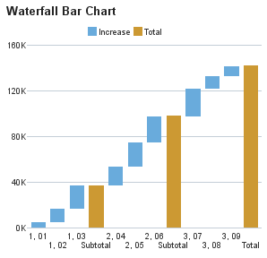

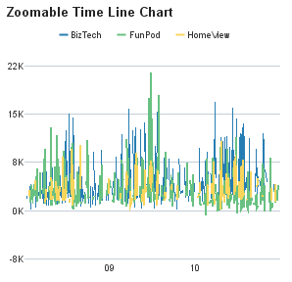 |  | 01 | 02 | 03 | 04 | 05 | 06 | 07 | 08 | 09 | 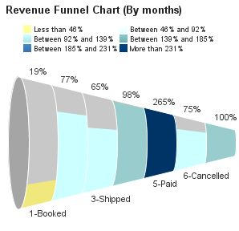
 | Communication
 | Digital
 | Electronics
 | Games
 | Services
 | TV

